Setup
Use boot strap ... use this code: https://getbootstrap.com/docs/3.4/examples/navbar-fixed-top/

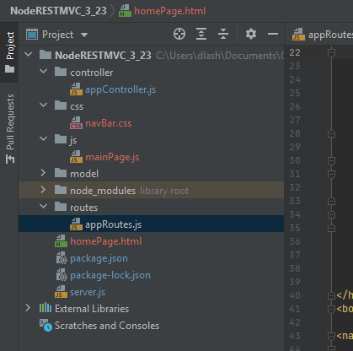

Controller node.js
css file
js local
routs
homepage.html
start this server.js from node

MainPAge
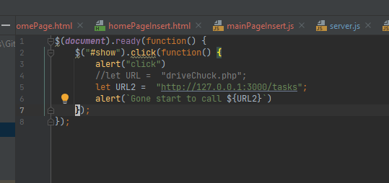
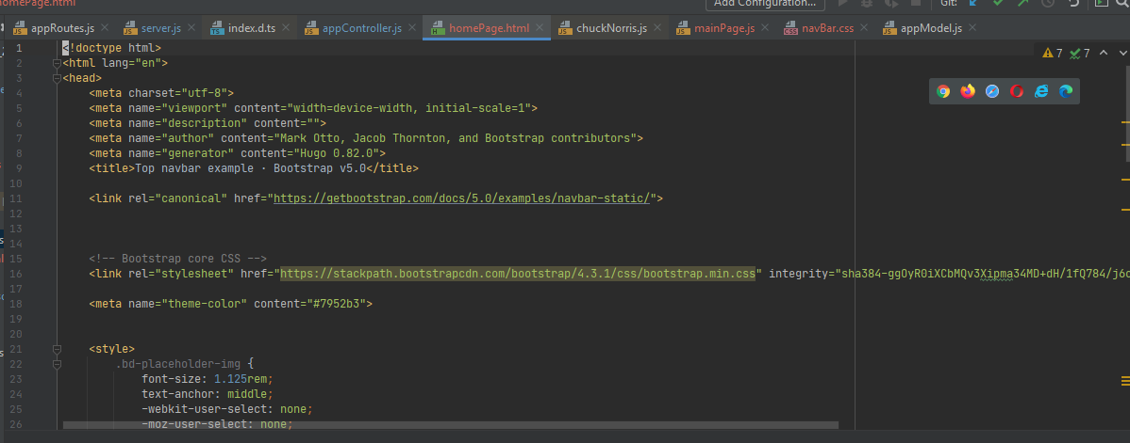

Build this out from bottstrap example

Use boot strap ... use this code: https://getbootstrap.com/docs/3.4/examples/navbar-fixed-top/

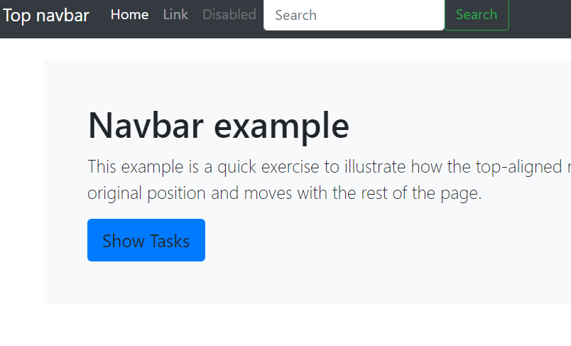

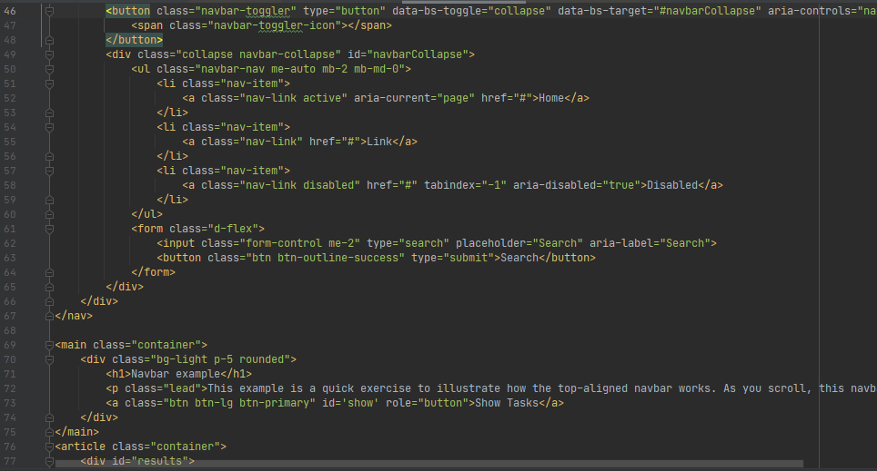

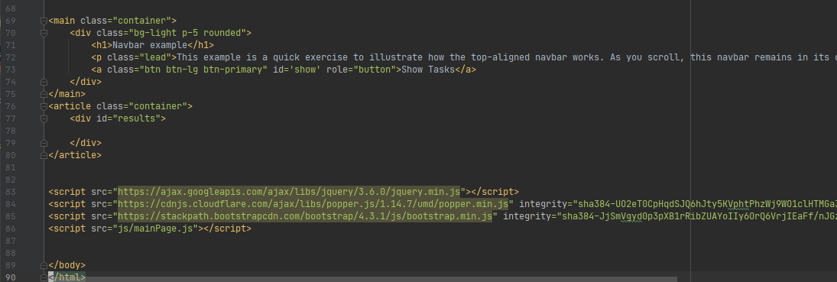

Add this and adjust all this ... for now just call js/mainpage.js

homePage2.html call get
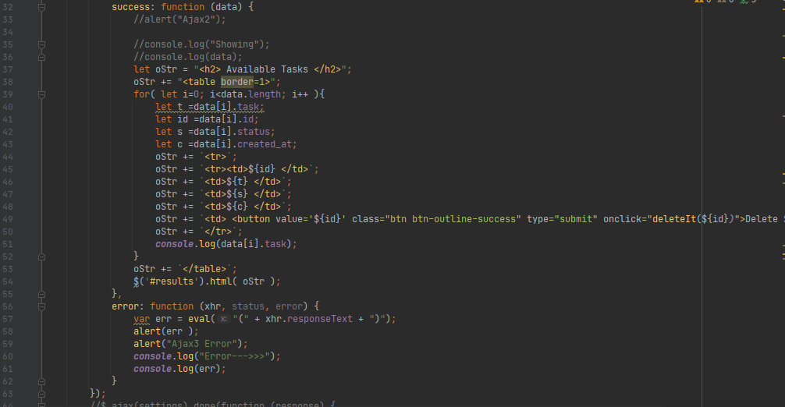
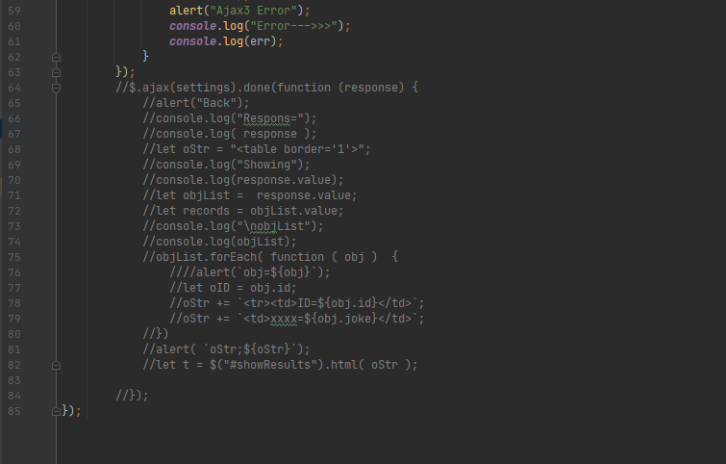
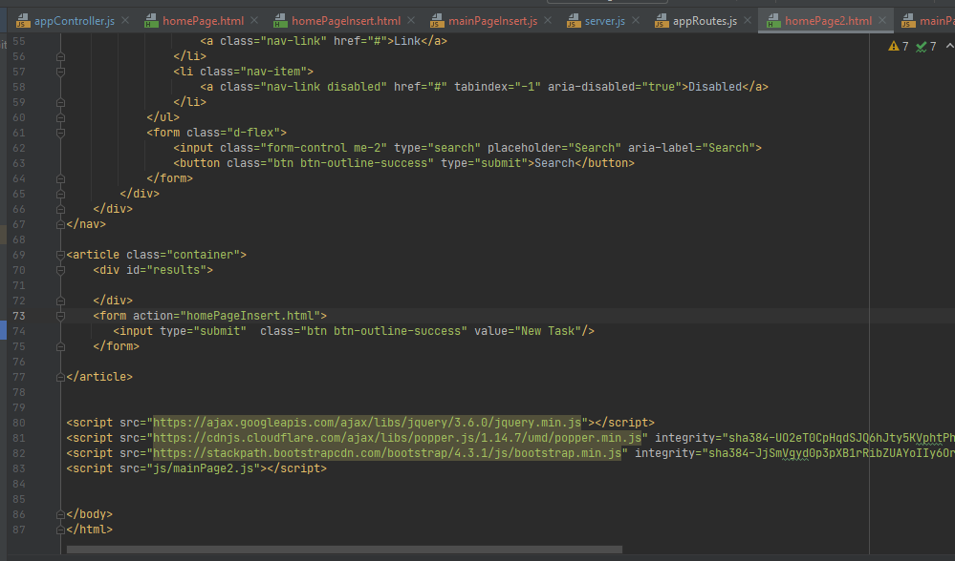

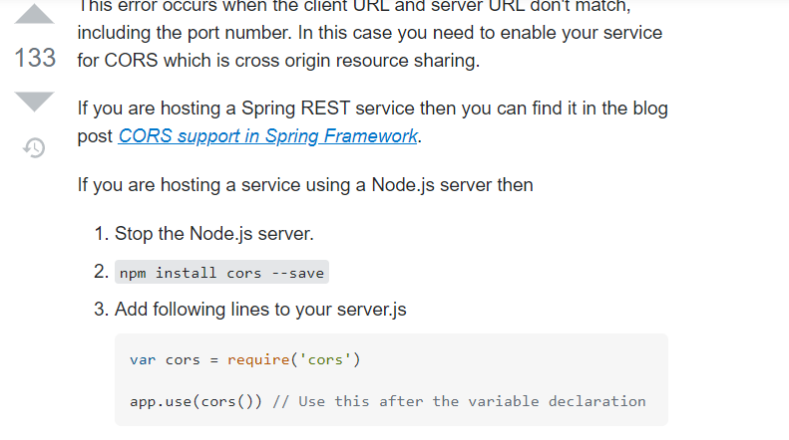
Copy homePage.html to homePage2.html
take out the jumbotron
Edit it ... add id=results
and this form and (for next part)
call js.mainPage2.hs

https://stackoverflow.com/questions/43871637/no-access-control-allow-origin-header-is-present-on-the-requested-resource-whe

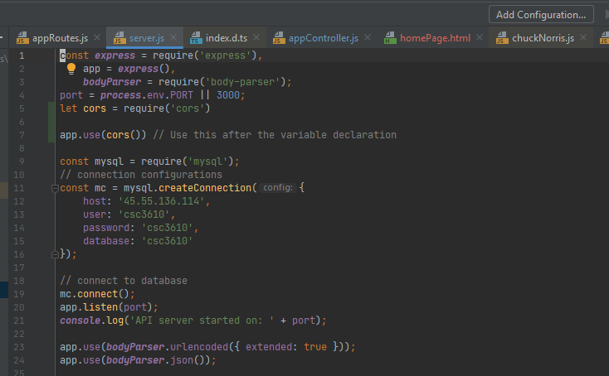

Need to ename cors handling

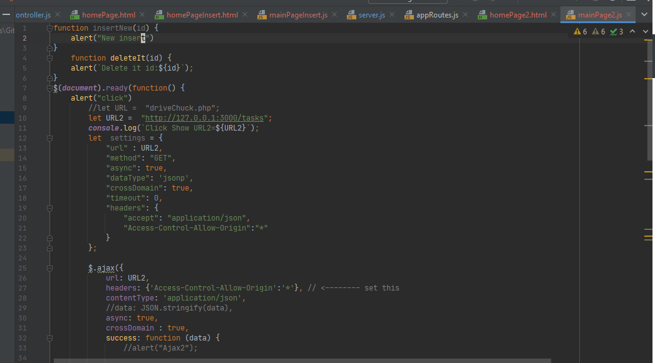

mainPage2.js
on doc ready ... call ajax and update

DELETE Post
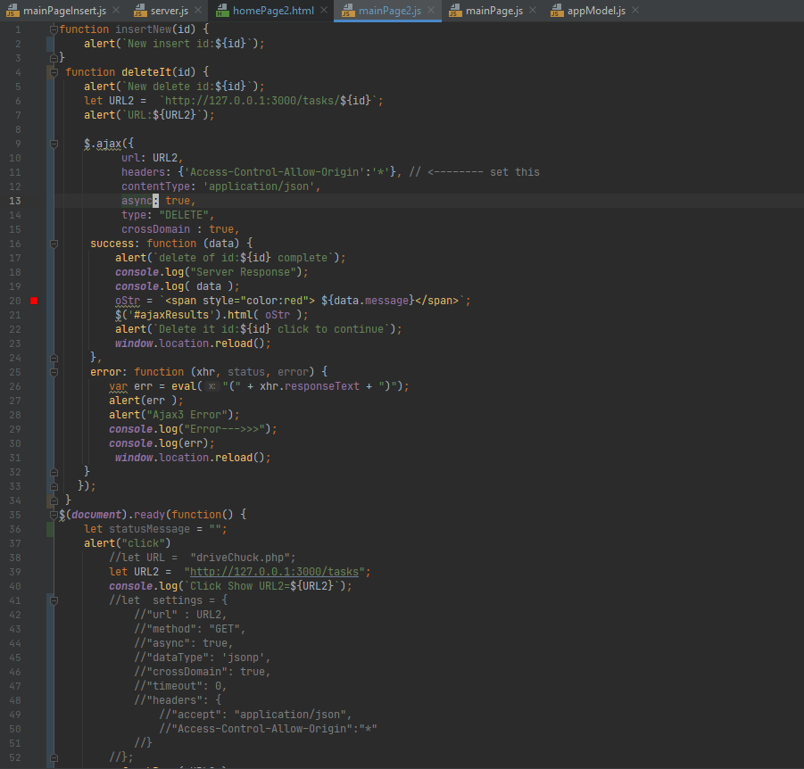

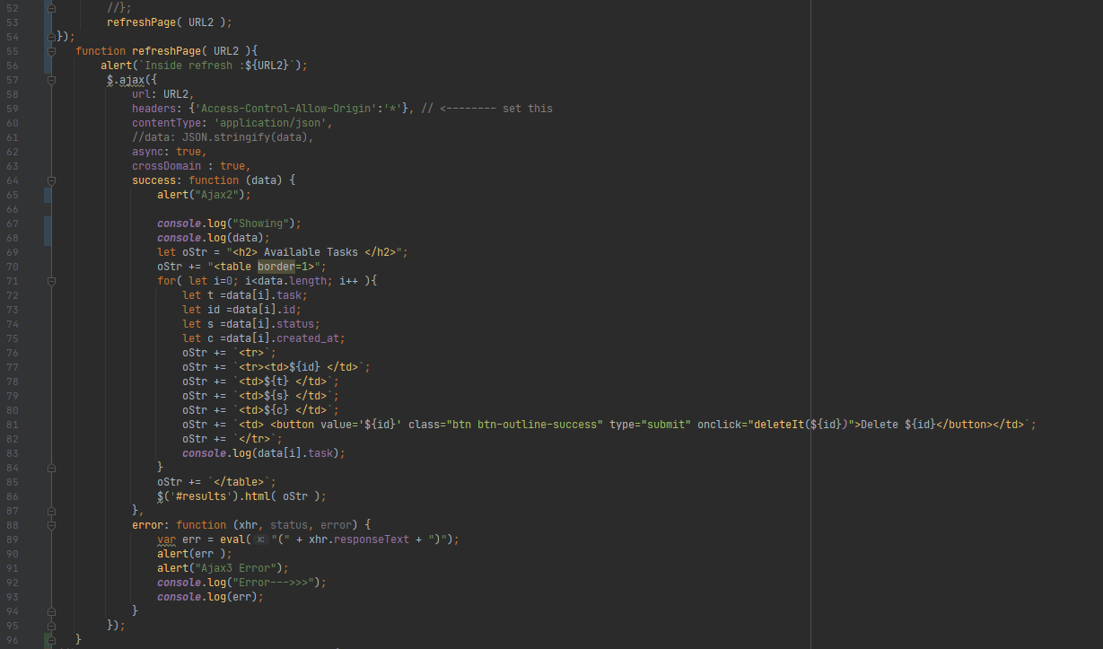

INSERT NEW POST
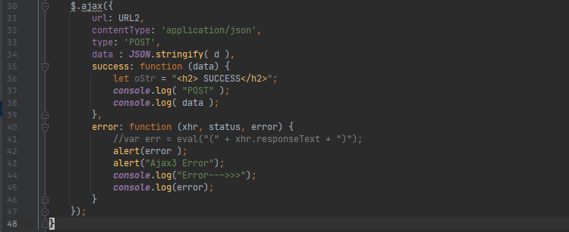
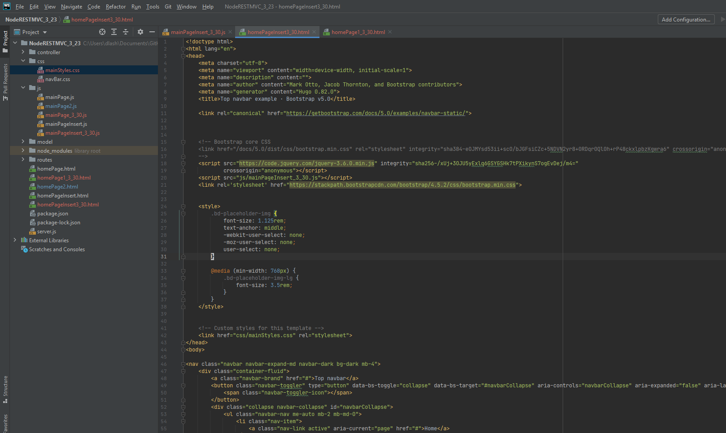
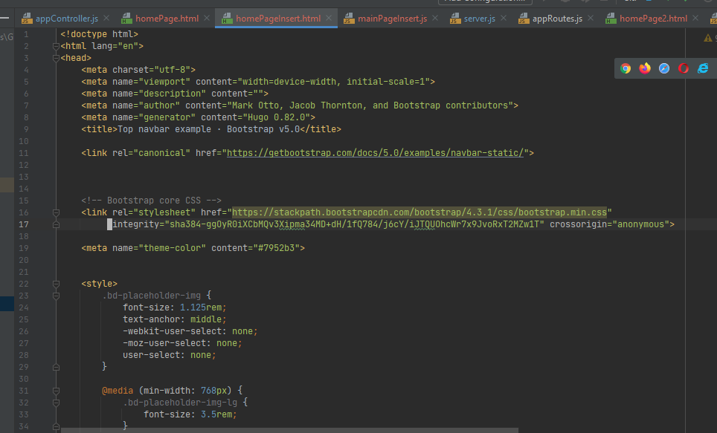
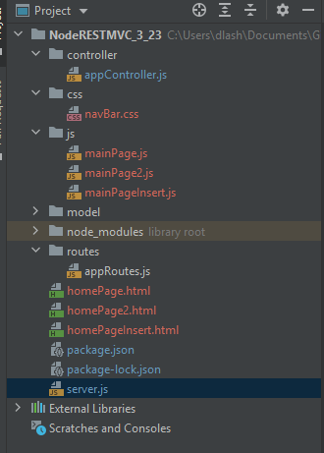
Set up
... homePageInsert.html called from homePage2.html
uses js/mainPageInsert.js

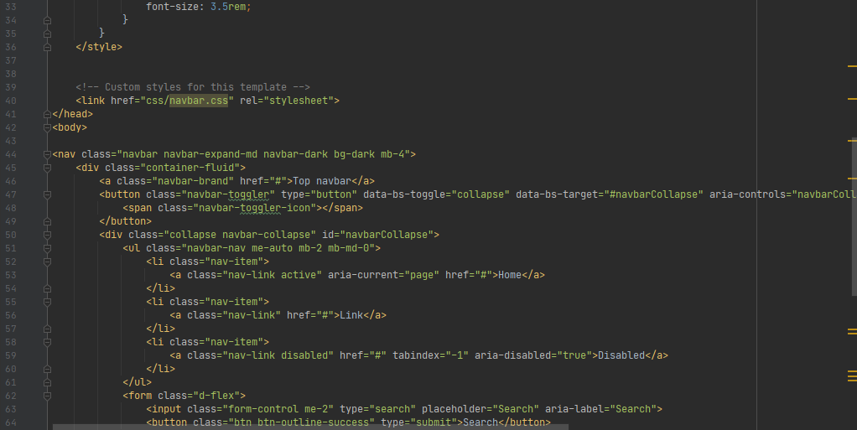

Add this button /homePage2.html

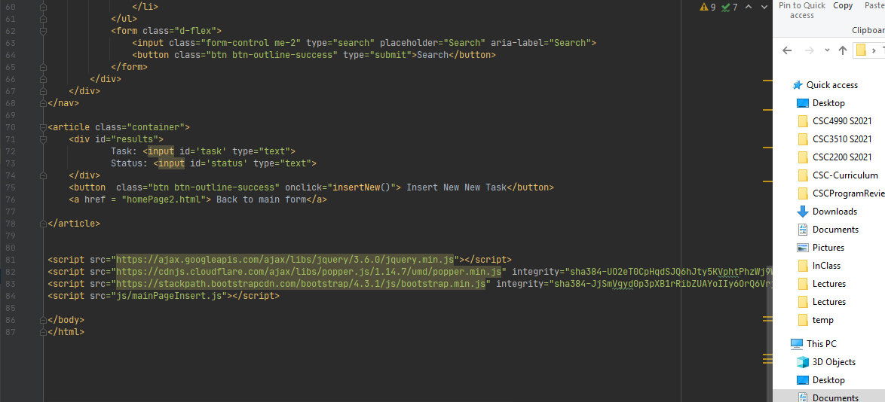

2 elements to insert ....
onClick Handler
mainPageInsert.js (below)

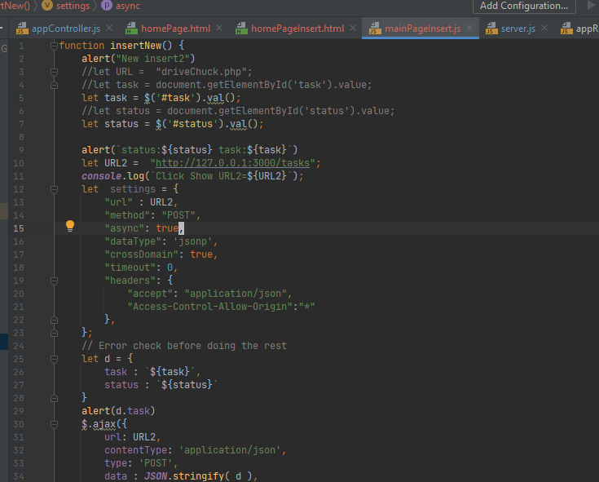

Build the JSON object ... had to call strinify

https://stackoverflow.com/questions/47252584/node-js-with-express-js-returns-500-to-ajax-call/47252720

LEFT OFF!

Update
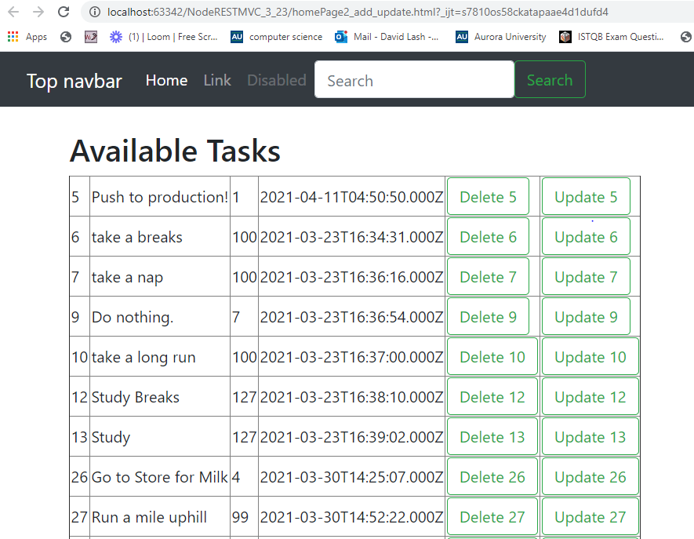

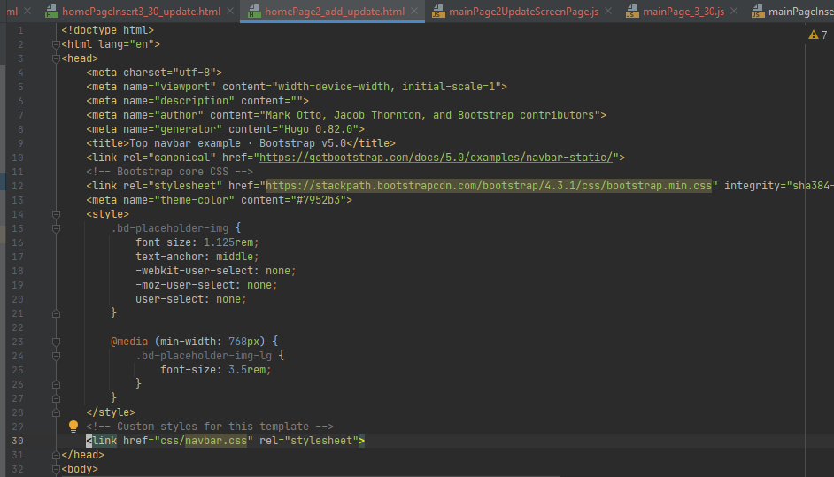

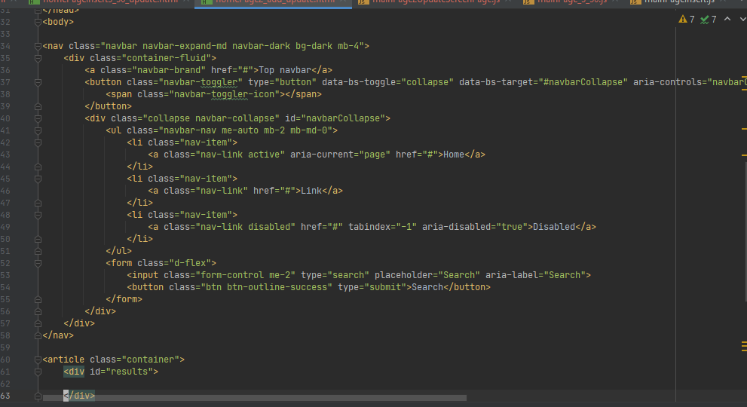

src=js/mainPage2UpdateScreenPage.js

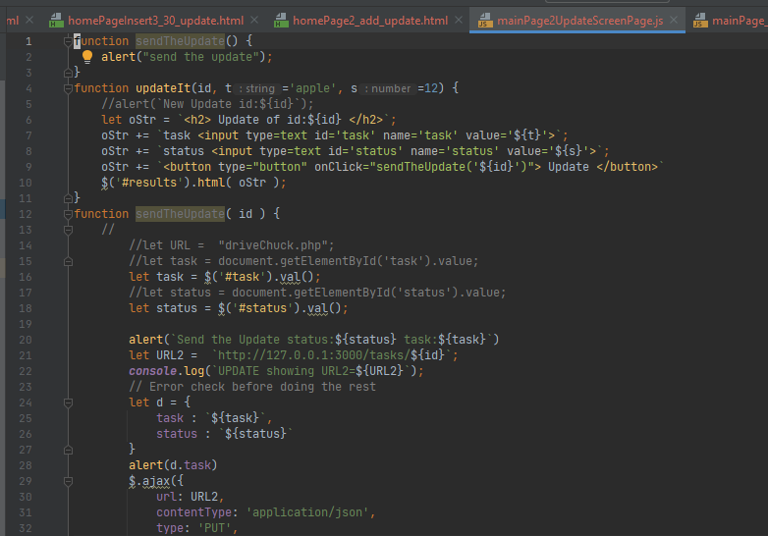

UpdateIt() ... create form
... sendTheUpdate( ID )

UpdateIt() ... create form
... sendTheUpdate( ID )
Set up the URL for the PUT

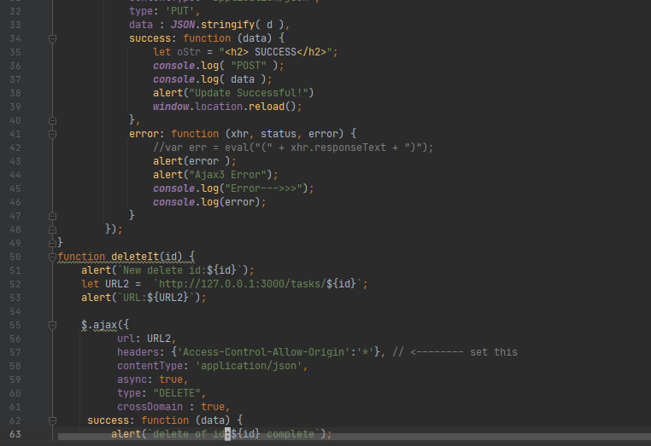
Reload

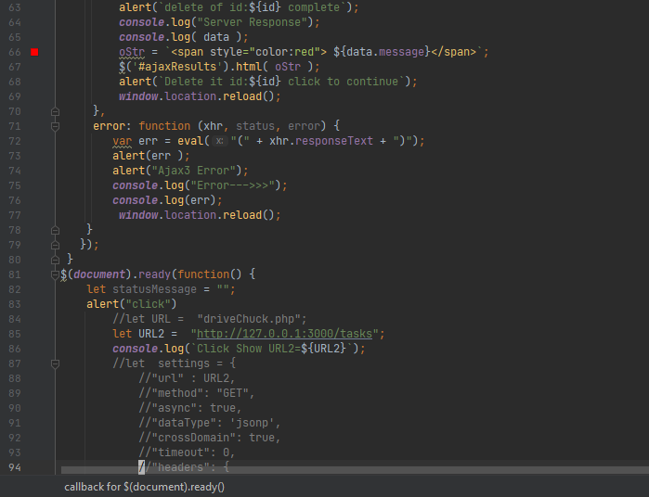

document.ready()

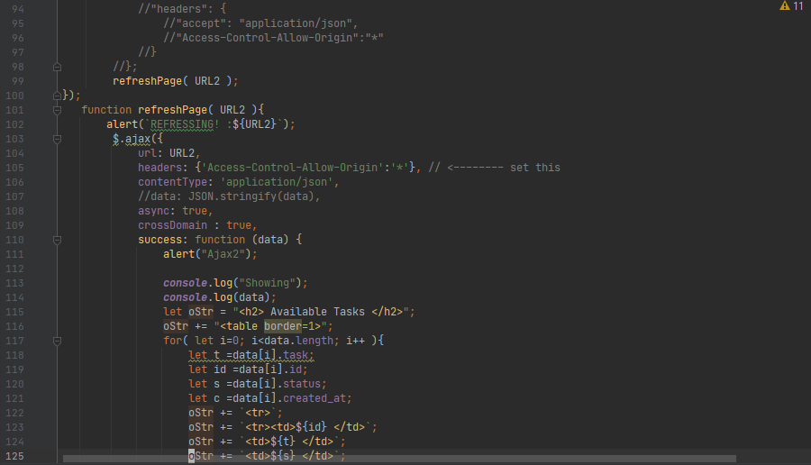

Available Tasks ... add updateIt button

